Sheet1
Age | Income (USD) | Standardized USD Income | Income (EUR) | Standardized EUR Income | USD-EUR Exchange Rate | USD sample mean | USD sample standard deviation | EUR sample mean | EUR sample standard deviation
26 | 50000 | -0.767 | 43000 | -0.767 | 0.86 | 98000 | 62556 | 84280 | 53798
55 | 155000 | 0.911 | 133300 | 0.911
64 | 98000 | 0.000 | 84280 | 0.000
31 | 191000 | 1.487 | 164260 | 1.487
40 | 38000 | -0.959 | 32680 | -0.959
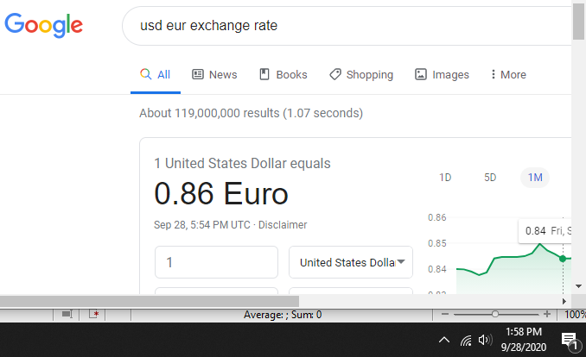
48 | 56000 | -0.671 | 48160 | -0.671

The standardized values are exactly the same, whether for Euros or USD.

